Calcs
Data
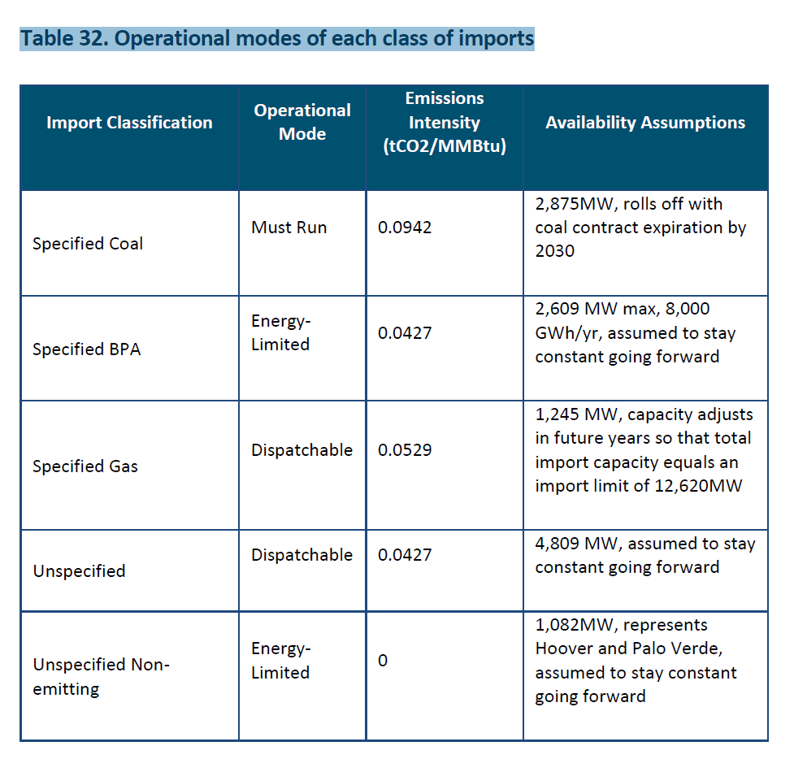

Use disptachable fraction implicit as the relevant estimate.

Dispatchable | 6054
Total | 12620

Fraction | 0.47971473851

